Data Prioritized
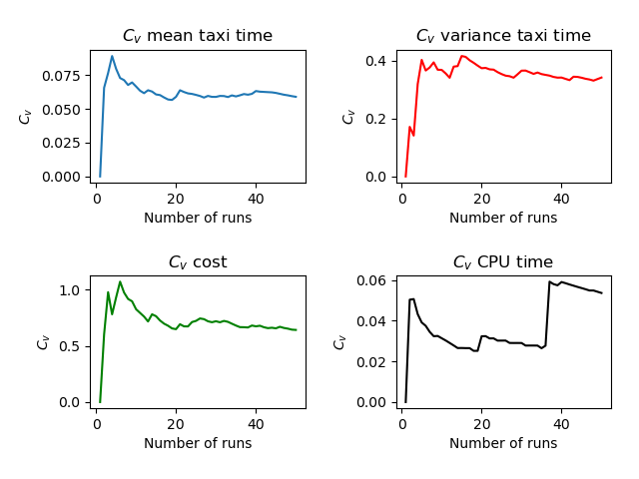
Run | Number of Aircraft | Maximum Spawn Time | Mean Taxitime | Variance Taxitime | Variance Cost | CPU Time
1 | 10 | 5 | 10.15 | 5.852 | 1.453 | 4.068
2 | 10 | 5 | 8.9 | 4.14 | 0.36 | 3.676
3 | 10 | 5 | 8.5 | 5.4 | 0.04 | 3.65
4 | 10 | 5 | 10.55 | 2.222 | 0.903 | 3.804
5 | 10 | 5 | 9.7 | 8.66 | 0.11 | 3.747
6 | 10 | 5 | 9.55 | 5.422 | 0.062 | 3.685
7 | 10 | 5 | 10.25 | 3.512 | 0.552 | 3.801
8 | 10 | 5 | 10.05 | 3.073 | 0.473 | 3.817
9 | 10 | 5 | 8.9 | 5.74 | 0.36 | 3.656
10 | 10 | 5 | 9.95 | 7.673 | 0.653 | 3.784
11 | 10 | 5 | 9.75 | 4.612 | 0.473 | 3.714
12 | 10 | 5 | 10.05 | 5.072 | 0.473 | 3.808
13 | 10 | 5 | 10.6 | 2.14 | 0.86 | 3.762
14 | 10 | 5 | 9.3 | 7.86 | 0.04 | 3.72
15 | 10 | 5 | 9.75 | 1.962 | 0.423 | 3.724
16 | 10 | 5 | 10.3 | 7.86 | 0.76 | 3.899
17 | 10 | 5 | 9.7 | 4.96 | 0.6 | 3.785
18 | 10 | 5 | 9.65 | 4.602 | 0.503 | 3.687
19 | 10 | 5 | 10.3 | 4.86 | 0.59 | 3.776
20 | 10 | 5 | 10.75 | 4.862 | 1.102 | 4.129
21 | 10 | 5 | 8.6 | 3.59 | 0.04 | 3.651
22 | 10 | 5 | 10 | 4.25 | 0.6 | 3.822
23 | 10 | 5 | 9.5 | 3.75 | 0.34 | 3.733
24 | 10 | 5 | 9.3 | 5.26 | 0.04 | 3.687
25 | 10 | 5 | 10.2 | 4.71 | 0.21 | 3.723
26 | 10 | 5 | 9.5 | 4.5 | 0.11 | 3.699
27 | 10 | 5 | 9.85 | 3.903 | 0.362 | 3.723
28 | 10 | 5 | 10.65 | 4.453 | 0.572 | 3.862
29 | 10 | 5 | 10.2 | 2.46 | 0.99 | 3.747
30 | 10 | 5 | 10.4 | 2.29 | 0.2 | 3.822
31 | 10 | 5 | 10.65 | 3.402 | 0.462 | 3.85
32 | 10 | 5 | 9.3 | 4.56 | 0.16 | 3.713
33 | 10 | 5 | 10.1 | 4.79 | 0.45 | 3.781
34 | 10 | 5 | 10.8 | 2.86 | 0.74 | 3.865
35 | 10 | 5 | 9.7 | 4.71 | 0.79 | 3.825
36 | 10 | 5 | 10.75 | 3.912 | 0.772 | 3.916
37 | 10 | 5 | 10.8 | 3.86 | 0.36 | 5.016
38 | 10 | 5 | 10.35 | 5.652 | 0.373 | 3.878
39 | 10 | 5 | 9.15 | 3.902 | 0.102 | 3.774
40 | 10 | 5 | 11.15 | 6.802 | 1.022 | 4.24
41 | 10 | 5 | 10.4 | 4.84 | 0.24 | 3.799
42 | 10 | 5 | 10.55 | 5.373 | 0.672 | 3.938
43 | 10 | 5 | 10.55 | 1.973 | 0.773 | 3.844
44 | 10 | 5 | 10.55 | 3.573 | 0.252 | 3.832
45 | 10 | 5 | 9.6 | 6.09 | 0.99 | 3.678
46 | 10 | 5 | 9.95 | 5.672 | 0.112 | 3.76
47 | 10 | 5 | 10.05 | 4.123 | 0.662 | 3.789
48 | 10 | 5 | 10.35 | 5.152 | 0.473 | 3.823
49 | 10 | 5 | 10.1 | 2.59 | 0.61 | 3.791
50 | 10 | 5 | 9.85 | 2.552 | 0.352 | 3.705
 | 10 | 5 | 9.991 | 4.52076 | 0.49242 | 3.81956

